ex SEA to MEL BNE ADL
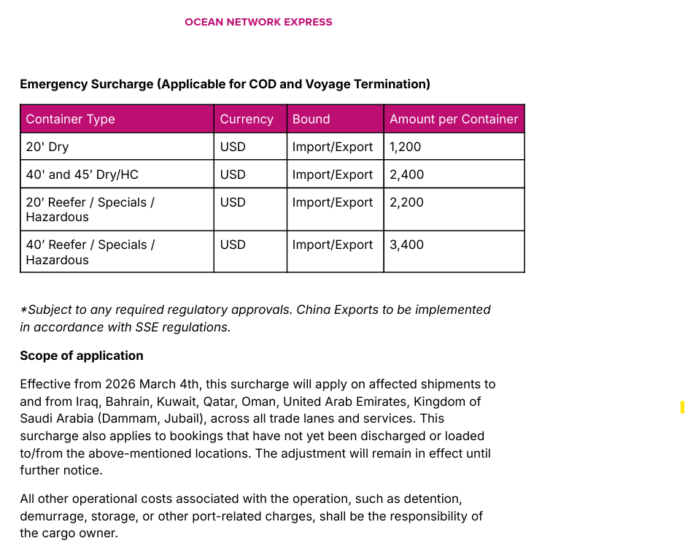
ONE Minimum Rate Guideline SEA to AU - Tier 1
Validity: | 15 Aug 2026 to 31 Aug 2026 |  |  |  |  |  |  |  |  |  |  |  |  | ISSUE DATE: 07 AUG 2026
Origin Country | POR | POD | Service | 20' | 40' | 40'HC | 20'RF | 40'RF | 20'RF | 40'RF | 20'RAD | 40'RAD | 20'RAD | 40'RAD
 |  |  |  | AUBNE/AUMEL/AUADL |  |  | AUBNE/AUMEL |  | AUADL | AUADL | AUBNE/AUMEL |  | AUADL | AUADL
 |  |  |  | USD | USD | USD | USD | USD | USD | USD | USD | USD | USD | USD
Malaysia | Tanjung Pelepas | Brisbane / Melbourne / Adelaide | AU1 / AU2 | $2,225 | $4,450 | $4,450 | $2,325 | $4,550 | $2,425 | $4,750 | $1,675 | $3,775
 | Port Klang | Brisbane / Melbourne / Adelaide | AU1 / AU2 | $2,225 | $4,450 | $4,450 | $2,325 | $4,550 | $2,425 | $4,750 | $1,675 | $3,775
 | Penang | Brisbane / Melbourne / Adelaide | AU1 | $2,325 | $4,650 | $4,650 | $2,375 | $4,650 | $2,475 | $4,850 | $1,750 | $3,950
 | Pasir Gudang | Brisbane / Melbourne / Adelaide | AU1 | $2,375 | $4,750 | $4,750 | $2,525 | $4,950 | $2,625 | $5,150 | $1,775 | $4,050
 | Kuantan | Brisbane / Melbourne / Adelaide | AU1 | $2,525 | $4,950 | $4,950
 | Bintulu | Brisbane / Melbourne / Adelaide | AU1 | $2,575 | $5,150 | $5,150
 | Kuching | Brisbane / Melbourne / Adelaide | AU1 | $2,575 | $5,150 | $5,150
Brunei | Muara | Brisbane / Melbourne / Adelaide | AU1 | $2,925 | $5,850 | $5,850
Singapore | Singapore | Brisbane / Melbourne / Adelaide | AU1 / AU2 | $2,175 | $4,350 | $4,350 | $2,275 | $4,450 | $2,375 | $4,650 | $1,625 | $3,700
Thailand | Bangkok | Brisbane / Melbourne / Adelaide | AU1 | $2,325 | $4,650 | $4,650 | $2,625 | $4,850 | $2,625 | $4,850 | $1,750 | $3,950
 | Laem Chabang | Brisbane / Melbourne / Adelaide | AU1 | $2,225 | $4,450 | $4,450 | $2,525 | $4,400 | $2,525 | $4,400 | $1,675 | $3,775
 | Lat Krabang | Brisbane / Melbourne / Adelaide | AU1 | $2,325 | $4,600 | $4,600 | $2,625 | $4,500 | $2,625 | $4,500 | $1,750 | $3,925
 | Songkhla | Brisbane / Melbourne / Adelaide | AU1 | $2,400 | $4,800 | $4,800 | $2,675 | $4,525 | $2,700 | $4,450
Indonesia | Jakarta | Brisbane / Melbourne / Adelaide | AU2 | $2,225 | $4,450 | $4,450 | $2,425 | $4,550 | $2,425 | $4,550 | $1,675 | $3,775
 | Surabaya | Brisbane / Melbourne / Adelaide | AU1 / AU2 | $2,225 | $4,450 | $4,450 | $2,425 | $4,550 | $2,425 | $4,550 | $1,675 | $3,775
 | Semarang | Brisbane / Melbourne / Adelaide | AU1 / AU2 | $2,275 | $4,550 | $4,550 | $2,475 | $4,650 | $2,475 | $4,650 | $1,700 | $3,875
 | Belawan | Brisbane / Melbourne / Adelaide | AU1 / AU2 | $2,275 | $4,550 | $4,550 | $2,475 | $4,650 | $2,475 | $4,650 | $1,700 | $3,875
 | Kuala Tanjung | Brisbane / Melbourne / Adelaide | AU1 / AU2 | $2,275 | $4,550 | $4,550 | $2,475 | $4,650 | $2,475 | $4,650
 | Panjang | Brisbane / Melbourne / Adelaide | AU1 / AU2 | $2,425 | $4,850 | $4,850 | $2,675 | $5,050 | $2,675 | $5,050
 | Makassar | Brisbane / Melbourne / Adelaide | AU1 / AU2 | $2,525 | $4,950 | $4,950 | $3,475 | $6,550 | $3,475 | $6,550
 | Bitung | Brisbane / Melbourne / Adelaide | AU1 / AU2 | $2,625 | $4,950 | $4,950 | $3,525 | $6,750 | $3,525 | $6,750
 | Palembang | Brisbane / Melbourne / Adelaide | AU1 / AU2 | $2,425 | $4,850 | $4,850
 | Padang | Brisbane / Melbourne / Adelaide | AU1 / AU2 | $2,525 | $4,950 | $4,950
 | Banjarmasin | Brisbane / Melbourne / Adelaide | AU1 / AU2 | $2,525 | $4,950 | $4,950
 | Balikpapan | Brisbane / Melbourne / Adelaide | AU1 / AU2 | $2,525 | $4,950 | $4,950
 | Pontianak | Brisbane / Melbourne / Adelaide | AU1 / AU2 | $2,525 | $4,950 | $4,950
 | Batam (Door/CY) | Brisbane / Melbourne / Adelaide | AU1 / AU2 | $2,575 | $4,950 | $4,950
 | Samarinda | Brisbane / Melbourne / Adelaide | AU1 / AU2 | $2,525 | $4,950 | $4,950
Vietnam | Ho Chi Minh | Brisbane / Melbourne / Adelaide | AU1 | $2,125 | $4,250 | $4,250 | $2,525 | $4,450 | $2,525 | $4,450 | $1,600 | $3,625
 | Cai Mep | Brisbane / Melbourne / Adelaide | AU1 | $2,125 | $4,250 | $4,250 | $2,525 | $4,450 | $2,500 | $4,450 | $1,600 | $3,625
 | Haiphong | Brisbane / Melbourne / Adelaide | AU1 | $2,125 | $4,250 | $4,250 | $2,525 | $4,450 | $2,500 | $4,450 | $1,600 | $3,625
 | Bien Hoa | Brisbane / Melbourne / Adelaide | AU1 | $2,175 | $4,350 | $4,350
 | Di An | Brisbane / Melbourne / Adelaide | AU1 | $2,175 | $4,350 | $4,350
 | Danang | Brisbane / Melbourne / Adelaide | AU1 | $2,375 | $4,750 | $4,750 | $2,725 | $4,850 | $2,700 | $4,850
 | Qui Nhon | Brisbane / Melbourne / Adelaide | AU1 | $2,375 | $4,750 | $4,750 | $2,725 | $4,850 | $2,700 | $4,850
Cambodia | Sihanouk Ville | Brisbane / Melbourne / Adelaide | AU1 | $2,725 | $5,450 | $5,450
 | Phnom Penh | Brisbane / Melbourne / Adelaide | AU1 | $2,975 | $5,700 | $5,700
Myanmar | Yangon (Freight Collect only) | Brisbane / Melbourne / Adelaide | AU1 | $3,025 | $6,050 | $6,050
 | Thilawa (Freight Collect only) | Brisbane / Melbourne / Adelaide | AU1 | $3,025 | $6,050 | $6,050
Philippines | Manila | Brisbane / Melbourne / Adelaide | AU1 | $2,500 | $5,000 | $5,000 | $2,650 | $5,100 | $2,650 | $5,100
 | Subic Bay | Brisbane / Melbourne / Adelaide | AU1 | $2,500 | $5,000 | $5,000 | $2,650 | $5,100 | $2,650 | $5,100
 | Cebu | Brisbane / Melbourne / Adelaide | AU1 | $2,600 | $5,200 | $5,200 | $2,700 | $5,200 | $2,700 | $5,200
 | Davao | Brisbane / Melbourne / Adelaide | AU1 | $3,075 | $6,150 | $6,150 | $3,150 | $5,200 | $3,150 | $5,200
 | General Santos | Brisbane / Melbourne / Adelaide | AU1 | $3,200 | $5,750 | $5,750 | $3,150 | $5,200
 | Cagayan | Brisbane / Melbourne / Adelaide | AU1 | $3,300 | $6,200 | $6,200 | $3,625 | $5,450
Indian Sub-con | Nhava Sheva | Brisbane / Melbourne / Adelaide | AU1 | $2,325 | $4,650 | $4,650 | $3,025 | $4,500 | $3,025 | $4,500
 | Pipavav | Brisbane / Melbourne / Adelaide | AU1 | $2,375 | $4,750 | $4,750 | $3,075 | $4,600 | $3,075 | $4,600
 | Mundra | Brisbane / Melbourne / Adelaide | AU1 | $2,375 | $4,750 | $4,750 | $3,175 | $4,750 | $3,175 | $4,750
 | Chennai | Brisbane / Melbourne / Adelaide | AU1 | $2,375 | $4,750 | $4,750 | $3,175 | $4,800 | $3,175 | $4,800
 | Kattupalli | Brisbane / Melbourne / Adelaide | AU1 | $2,375 | $4,750 | $4,750 | $3,175 | $4,800 | $3,175 | $4,800
 | Hazira | Brisbane / Melbourne / Adelaide | AU1 | $2,425 | $4,850 | $4,850
 | Visakhapatnam | Brisbane / Melbourne / Adelaide | AU1 | $2,450 | $4,900 | $4,900
 | Haldia | Brisbane / Melbourne / Adelaide | AU1 | $2,525 | $5,050 | $5,050
 | Kolkata / Calcutta | Brisbane / Melbourne / Adelaide | AU1 | $2,450 | $4,900 | $4,900
 | Tuticorin (via Colombo) | Brisbane / Melbourne / Adelaide | AU1 | $2,525 | $5,050 | $5,050
 | Cochin (via Colombo) | Brisbane / Melbourne / Adelaide | AU1 | $2,525 | $5,050 | $5,050 | $3,425 | $5,150 | $3,425 | $5,150
India ICD | ICD Delhi | Brisbane / Melbourne / Adelaide | AU1 | $2,375 | $4,750 | $4,750
 | Ahmedabad ICD | Brisbane / Melbourne / Adelaide | AU1 | $2,375 | $4,750 | $4,750
 | Ludhiana Cluster | Brisbane / Melbourne / Adelaide | AU1 | $2,375 | $4,750 | $4,750
 | Indore Cluster | Brisbane / Melbourne / Adelaide | AU1 | $2,375 | $4,750 | $4,750
 | Faridabad Cluster | Brisbane / Melbourne / Adelaide | AU1 | $2,375 | $4,750 | $4,750
 | Moradabad Cluster | Brisbane / Melbourne / Adelaide | AU1 | $2,375 | $4,750 | $4,750
Pakistan | Karachi | Brisbane / Melbourne / Adelaide | AU1 | $2,425 | $4,850 | $4,850 | $3,175 | $5,000 | $3,175 | $5,000
 | Muhammad Bin Qasim | Brisbane / Melbourne / Adelaide | AU1 | $2,425 | $4,850 | $4,850
Bangladesh | Chittagong (incl THL) | Brisbane / Melbourne / Adelaide | AU1 | $2,325 | $4,650 | $4,650 | $2,575 | $4,750 | $2,575 | $4,750
 | Mongla (incl THL) | Brisbane / Melbourne / Adelaide | AU1 | N/A | N/A | N/A | N/A | N/A | N/A | N/A
Sri Lanka | Colombo (incl ISL/THL/DOC) | Brisbane / Melbourne / Adelaide | AU1 | $2,225 | $4,400 | $4,400 | $3,125 | $5,050 | $3,125 | $5,050
UAE | Jebel Ali | Brisbane / Melbourne / Adelaide | AU1 | N/A | N/A | N/A
 | Sharjah | Brisbane / Melbourne / Adelaide | AU1 | N/A | N/A | N/A
 | Abu Dhabi | Brisbane / Melbourne / Adelaide | AU1 | N/A | N/A | N/A
Saudi Arabi | Jeddah (incl THL/ OCR) | Brisbane / Melbourne / Adelaide | AU1 | N/A | N/A | N/A
 | Dammam (incl THL/ OCR) | Brisbane / Melbourne / Adelaide | AU1 | N/A | N/A | N/A
 | Jubail (incl THL/ OCR) | Brisbane / Melbourne / Adelaide | AU1 | N/A | N/A | N/A
Kuwait | Shuwaikh | Brisbane / Melbourne / Adelaide | AU1 | N/A | N/A | N/A
Oman | Sohar | Brisbane / Melbourne / Adelaide | AU1 | N/A | N/A | N/A
Jordan | Aqaba | Brisbane / Melbourne / Adelaide | AU1 | N/A | N/A | N/A
Bahrain | Bahrain | Brisbane / Melbourne / Adelaide | AU1 | N/A | N/A | N/A
Egypt | Sokhna | Brisbane / Melbourne / Adelaide | AU1 | N/A | N/A | N/A
Qatar | Hamad | Brisbane / Melbourne / Adelaide | AU1 | N/A | N/A | N/A

ICD Delhi: | IN1MZ,INCML,INDRI,INGGN,INGHR,INGZD,INPAL,INPAP,INREA,INSON,INTKD
Ahmedabad ICD : | INAMD,INJKA,INSAA,INVDL,INVRM
Ludhiana Cluster : | IN1LU,IN2LU,INCWL,INLUH,INSWA
Indore Cluster: | INMNP,INTIH
Faridabad Cluster : | INFBD,INPLW,INPYL
Moradabad Cluster : | INKSR,INMOR,INPNT

Surcharges |  |  |  | 20' | 40' | 40'HC | 20'RF | 40'RF | 20'RAD | 40'RAD
OBS | ONE Bunker Surcharge |  |  | Included | Included | Included | Included | Included | Included | Included
EFS | Emergency Fuel Surcharge |  |  | Included | Included | Included | Included | Included | Included | Included
PSS | Peak Season Surcharge |  |  | Included | Included | Included | Included | Included | Included | Included
THD | Terminal Handling Destination |  |  | ONE Tariff | ONE Tariff | ONE Tariff | ONE Tariff | ONE Tariff | ONE Tariff | ONE Tariff
THL | Terminal Handling Origin |  |  | ONE Tariff | ONE Tariff | ONE Tariff | ONE Tariff | ONE Tariff | ONE Tariff | ONE Tariff
LND | Landside Charge |  |  | ONE Tariff | ONE Tariff | ONE Tariff | ONE Tariff | ONE Tariff | ONE Tariff | ONE Tariff
DOF | Document Fee (Destination) |  |  | ONE Tariff | ONE Tariff | ONE Tariff | ONE Tariff | ONE Tariff | ONE Tariff | ONE Tariff
DOC | Document Fee (Origin) |  |  | ONE Tariff | ONE Tariff | ONE Tariff | ONE Tariff | ONE Tariff | ONE Tariff | ONE Tariff
ISL | International Security Fee at Local (Freight payer) |  |  | ONE Tariff | ONE Tariff | ONE Tariff | ONE Tariff | ONE Tariff | ONE Tariff | ONE Tariff
DRS | Adelaide Channel Windening Levy - Applicable for import/export Adelaide only |  |  | ONE Tariff | ONE Tariff | ONE Tariff | ONE Tariff | ONE Tariff | ONE Tariff | ONE Tariff

Remarks:
Rate includes OBS, PSS,※EFS subject to ISL /THL /THD /LND /TSD/ DOC /DOF and all applicable surcharges as per ONE tariff.
(※Subject to any required regulatory approvals and notice periods where applicable, and will remain in effect until further notice.)
Shipments to Adelaide: Rates are subject to DRS.
Shipments from Oman, UAE, Qatar, Bahrain, Saudi Arabia (Dammam + Jubail), Kuwait, and Iraq: Rates are subject to Wisk Risk Surcharge (WRC) at USD 55/TEU.
Cargo type: Rate is valid for dry, non-DG cargo only. DG Reefer is not acceptable.
All RAD shipments are subject to equipment availability.
Flexi-tank add-on: USD100/TEU
Food Grade Premiun add-on: USD100/Box
All surcharges and add-ons are subject to change with or without notice.
Booking acceptance: Subject to space, equipment availability, and vessel operator acceptance.
***Following announcement by the Dubai Maritime Authority, DP World will collect export THC directly from exporters against all U.A.E bookings issued on/after 1/Nov/2023.***

 | DG Surcharges Table

 | HAZ | DG Class | D20 | D40 | 40HC | Remarks
 | For All DG cargoes Direct load and via Singapore | CLASS 1 | Do not accept
 |  | CLASS 2.1/2.2/2.3 | USD 300 | USD 600 | USD 600
 |  | CLASS 3 | USD 150 | USD 300 | USD 300
 |  | CLASS 4 | USD 150 | USD 300 | USD 300
 |  | CLASS 5 | USD 300 | USD 600 | USD 600
 |  | CLASS 6 | USD 150 | USD 300 | USD 300
 |  | CLASS 7 | Do not accept
 |  | CLASS 8 | USD 150 | USD 300 | USD 300
 |  | CLASS 9 | USD 150 | USD 300 | USD 300
 | ** All HAZ shipment is subject to DG desk approval & vessel operator's acceptance.

 | PSA Add-on | PSA Group | D20 | D40 | 40HC | Remarks
 | An addon applicable for Singapore transhipment on top HAZ surcharge | PSA group 1/1D/2 | USD 538 | USD 753 | USD 753
 |  | PSA group 2S/2B/2F | USD 269 | USD 538 | USD 538
 |  | PSA group 1S/2A | USD 430 | USD 591 | USD 591
 |  | PSA group 3 | USD 0 | USD 0 | USD 0
 | ** All HAZ shipment is subject to DG desk approval & vessel operator's acceptance.

 | Pharmaceutical Addon |  |  |  |  | High Value Commodity surcharges
 |  |  |  |  |  |  | Valid till 31 Mar 2027
 | PREMIUM Add-on |  | New |  |  | PREMIUM
 | CARGO VALUE |  | ONE ADD-ON (per unit) |  |  | CARGO VALUE |  | ONE ADD-ON
 | (USD) |  | (USD) |  |  | (USD) |  | (USD)
 | Value Range > USD 500,000 - subject to approval |  | 600 |  |  | VALUE > USD7 MILLION CHECK WITH GHQ INS
 | USD 300,000 to USD 500,000 |  | NIL |  |  | 6,000,001 to 7,000,000 |  | 10,500
 | USD 200,000 to USD300,000 |  | NIL |  |  | 5,000,001 to 6,000,000 |  | 9,000
 | USD100,000 to USD 200,000 |  | NIL |  |  | 4,000,001 to 5,000,000 |  | 7,500
 |  |  |  |  |  | 3,000,001 to 4,000,000 |  | 6,000
 |  |  |  |  |  | 2,000,001 to 3,000,000 |  | 4,600
 |  |  |  |  |  | 1,400,001 to 2,000,000 |  | 3,100
 |  |  |  |  |  | 0 to 1,400,000 |  | 2,600
 |  |  |  |  |  |  |  |  | ONE TARIFF' BASED ON PER UNIT BASIS, REGARDLESS OF UNIT SIZE

 | Effective from 2026 March 4th, this surcharge will apply on affected shipments to and from Iraq, Bahrain, Kuwait, Qatar, Oman,
 | United Arab Emirates, Kingdom of Saudi Arabia (Dammam, Jubail), across all trade lanes and services.

